CLSS Baseline Indicators
Indicator | Component | Lifeline
Unsafe conditions for law enforcement Response | Law Enforcement / Security | Safety & Security
Multi-agency / Multi-Jurisdiction law Enforcement Response | Law Enforcement / Security | Safety & Security
Unsafe conditions for fire response | Fire Service | Safety & Security
Multi-Agency / Multi-Jurisdiction Fire Response Needed | Fire Service | Safety & Security
Insufficient fire suppression resources available | Fire Service | Safety & Security
Unsafe conditions for SAR response | Search & Rescue | Safety & Security
Multi-Agency / Multi-Jurisdiction SAR Response Needed | Search & Rescue | Safety & Security
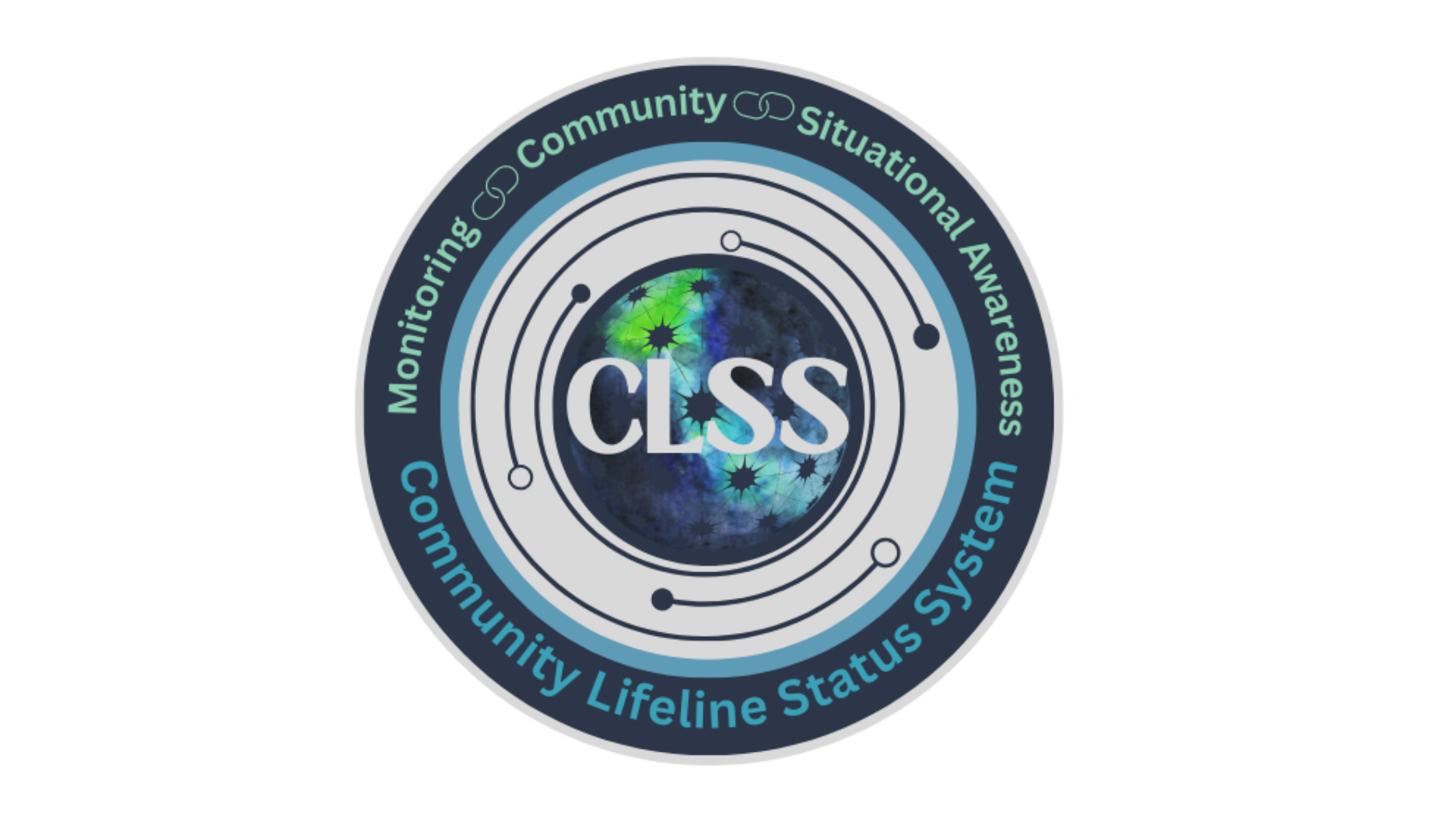
Insufficient SAR assets on-scene to assist all survivors | Search & Rescue | Safety & Security
Threat to Continuity of Government | Government Service | Safety & Security
Inability to establish Unified Command/Incident Command and/or EOCs | Government Service | Safety & Security
Government Essential Functions are not operational | Government Service | Safety & Security
Inability to protect historic and cultural resources | Government Service | Safety & Security
State of Emergency Proclamation by Governor | Government Service | Safety & Security
Threat to Life Safety for Community | Community Safety | Safety & Security
Curfew active | Community Safety | Safety & Security
Evacuation Orders active | Community Safety | Safety & Security
Shelter in Place active | Community Safety | Safety & Security
Significant Disruption to Food Supply | Food | Food, Hydration, Shelter
Significant Disruption to Food Transport | Food | Food, Hydration, Shelter
Significant Disruption to Food Distribution | Food | Food, Hydration, Shelter
Disruptions to Institutional Feeding | Food | Food, Hydration, Shelter
Significant Disruptions to Food Distribution Programs | Food | Food, Hydration, Shelter
Lack of access to Food beyond normal conditions | Food | Food, Hydration, Shelter
Government Intervention Needed to Provide Food | Food | Food, Hydration, Shelter
Significant Disruption to Water Systems | Water | Water Systems
Significant disruption to domestic wastewater treatment and reclamation | Water | Water Systems
Lack of access to Water Source beyond normal conditions | Water | Food, Hydration, Shelter
Government Intervention Needed to Provide Water | Water | Food, Hydration, Shelter
Shelter capacity does not support the displaced population | Shelter | Food, Hydration, Shelter
Lack of access to Housing [homes/shelter] beyond normal conditions | Shelter | Food, Water, Shelter
Lack of access to Commercial Facilities [hotels] | Shelter | Food, Water, Shelter
Government Intervention Required to assist with alternative permanent housing | Shelter | Food, Water, Shelter
Lack of access to Food for Livestock beyond normal conditions | Agriculture | Food, Water, Shelter
Lack of access to Shelter for Livestock beyond normal conditions | Agriculture | Food, Water, Shelter
Lack of access to Water Source for Livestock beyond normal conditions | Agriculture | Food, Water, Shelter
Significant Agricultural Contamination or disease | Agriculture | Food, Water, Shelter
Lack of Access to necessary supplies for crops beyond normal conditions | Agriculture | Food, Water, Shelter
Highway / Roadways are blocked by debris | Highway/Roadway Motor Vehicle | Transportation
Highway/roadways are inaccessible | Highway/Roadway Motor Vehicle | Transportation
Normal mass transit operations are interrupted | Mass Transit | Transportation
Significant Disruptions to Intercity Passenger | Railway | Transportation
Significant Disruptions to Commuter Service | Railway | Transportation
Significant Disruptions to Freight Service | Railway | Transportation
Significant Disruptions to General Aviation | Aviation | Transportation
Significant Disruptions to Airspace Planning / Air Traffic Control | Aviation | Transportation
Significant Disruptions to Commercial Services or Commercial Airport | Aviation | Transportation
Navigable Waterways are blocked by debris | Maritime | Transportation
Maritime Ports are inaccessible | Maritime | Transportation
Significant Disruptions to Commercial / Freight Maritime Service | Maritime | Transportation
Significant Disruption to Generation Systems | Power Grid | Energy
Significant Disruptions to Transmission Systems | Power Grid | Energy
Significant Disruptions to Distribution Systems | Power Grid | Energy
Insufficient power or generators at critical facilities | Power Grid | Energy
Insufficient power to support power dependent individuals | Power Grid | Energy
Significant Disruptions to Off-Shore Oil Platforms | Fuel | Energy
Significant Disruptions to On-Shore Drilling | Fuel | Energy
Significant Disruptions to Pipeline Service | Fuel | Energy
Significant Disruption to Refineries / Fuel Processing | Fuel | Energy
Significant Disruptions to Fuel Storage | Fuel | Energy
Significant Disruptions to fuel distribution for responders | Fuel | Energy
Significant Disruptions to Commercial Fuel Distribution Services | Fuel | Energy
Significant Disruption to Wireless Communication | Infrastructure | Communication
Significant Disruption to Broadcast Communication | Infrastructure | Communication
Significant Disruption to Satellite Communication | Infrastructure | Communication
Significant Disruption to Internet / Data Centers | Infrastructure | Communication
Inability to Provide Local Alert / Warning | Alerts, Warnings, & Messages | Communication
Significant Disruption to IPAWS | Alerts, Warnings, & Messages | Communication
Significant Disruption to NAWAS | Alerts, Warnings, & Messages | Communication
Significant Disruption or Delays to Dispatch | 911 & Dispatch | Communication
Significant Disruption to Public Safety Answering Points | 911 & Dispatch | Communication
Damage to PSAP Infrastructure | 911 & Dispatch | Communication
Lack of Reliable Mission Critical Voice Communication Capabilities | Responder Communication | Communication
Lack of Access to Banking Services | Finance | Communication
Lack of Access to Electronic Payment Processing | Finance | Communication
Lack of Access to Cash | Finance | Communication
Significant Interruption to Hospital Service | Medical Care | Health & Medical
Significant Interruption to Ancillary Services [pharmacies] | Medical Care | Health & Medical
Significant Interruption to Life or Care Services [dialysis/LTCF] | Medical Care | Health & Medical
Significant Interruption to Veterinary Services | Medical Care | Health & Medical
Inability to Manage Patient Movement | Patient Movement | Health & Medical
Insufficient Fatality Management Services | Fatality Management | Health & Medical
Insufficient Animal / Livestock Fatality Management Services | Fatality Management | Health & Medical
Inaccessible Public Health Services | Public Health | Health & Medical
Quarantine Orders active | Public Health | Health & Medical
Medical Supply Chain Inadequate | Medical Supply Chain | Health & Medical
Inability to access critical medical commodities (medical gasses, blood, linens, surgical, pharmaceuticals) | Medical Supply Chain | Health & Medical
Significant Disruption or Damage to Oil Facilities | Facilities | HAZMAT
Significant Disruption to HAZMAT Facilities [chemical, nuclear] | Facilities | HAZMAT
Significant Release of Oil, HAZMAT, or Toxic Chemicals from Non-Fixed Facility | Facilities | HAZMAT
Significant Release of Oil, HAZMAT, or Toxic Chemicals from Non-Fixed Facility | HAZMATs, Pollutants, Contaminants | HAZMAT
Radiological or Nuclear Incident outside a facility | HAZMATs, Pollutants, Contaminants | HAZMAT

